Payroll Codes
Auto+Hide+Hidesheet

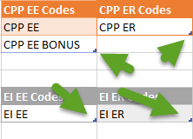
 | Note to clients:
 | For this model to work you have to input your CPP and EI payroll control codes |  |  |  | four table "handles":
 | into the tables below. You must then expand or contract the tables so that
 | they conform to your data. These are all Named Range tables with a small
 | "handle" at the bottom right of the table range. Send examples to the right.
 | Simply highlight the handle and your cursor wil change to a double ended arrow.
 | Then drag the handle to the last cell of your data.

 | CPP_CODES | Y or N | CPP EE Codes | CPP ER Codes | EI_Codes | Y or N | 2018 CPP basic exemption amount by pay period
 | AUTO VAC - NU TEMP | Y | CPP EE | CPP ER | AUTO VAC - NU TEMP | Y | Pay period | Basic exemption amount
 | AUTO VAC - TEMP | Y | CPP EE BONUS |  | AUTO VAC - TEMP | Y | Annually (1) | $3,500.00
 | BONUS | Y |  |  | BONUS | Y | Semi-annually (2) | $1,750.00
 | E-ACTING PAY - NU | Y |  |  | E-ACTING PAY - NU | Y | Quarterly (4) | $875.00
 | E-ACTING PAY - UNION | Y | EI EE Codes | EI ER Codes | E-ACTING PAY - UNION | Y | Monthly (12) | $291.66
 | E-AUTH PAID LEAVE | Y | EI EE | EI ER | E-AUTH PAID LEAVE | Y | Semi-monthly (24) | $145.83
 | E-BEREAVEMENT LEAVE | Y |  |  | E-BEREAVEMENT LEAVE | Y | Bi-weekly (26) | $134.61
 | E-BONUS | Y |  |  | E-BONUS | Y | Bi-weekly (27) | $129.62
 | E-CASUAL SICK TIME | Y |  |  | E-CASUAL SICK TIME | Y | Weekly (52) | $67.30
 | E-COURT ATTENDANCE | Y | Reveral Codes |  | E-COURT ATTENDANCE | Y | Weekly (53) | $66.03
 | E-COURT DUTY | Y | AD-D |  | E-COURT DUTY | Y | 22 pay periods | $159.09
Reversal codes can be used when a deduction from pay is matched by the employer resulting in a taxable benefit. The amounts in these payroll codes will be added to taxable amounts even though they are deductions from pay.
 | E-EARN ADJ | Y | LIFE INS |  | E-EARN ADJ | Y | 13 pay periods | $269.23
 | E-FUNERAL | Y |  |  | E-FUNERAL | Y | 10 pay periods | $350.00
 | E-JURY DUTY | Y |  |  | E-JURY DUTY | Y | Daily (240) | $14.58
 | E-LIEU OF OVERTIME | Y |  |  | E-LIEU OF OVERTIME | Y | Hourly (2,000) | $1.75
 | E-MAT LEAVE 15WKS NU | Y |  |  | E-OVERTIME - 1.5 | Y
 | E-MAT LEAVE 15WKS UN | Y |  |  | E-OVERTIME - 2.0 | Y
 | E-MAT LEAVE 2WKS NU | Y |  |  | E-OVERTIME 1.0 | Y
 | E-MAT LEAVE 2WKS UN | Y |  |  | E-PAYOUT OT | Y
 | E-OVERTIME - 1.5 | Y |  |  | E-PEL PAID | Y
 | E-OVERTIME - 2.0 | Y |  |  | E-REGULAR HOURS | Y
 | E-OVERTIME 1.0 | Y |  |  | E-SHORT TERM DIS NU | Y
 | E-PAYOUT OT | Y |  |  | E-SHORT TERM DIS UN | Y
 | E-PEL PAID | Y |  |  | E-SICK NU | Y
 | E-REGULAR HOURS | Y |  |  | E-STATUTORY PAY | Y
 | E-SHORT TERM DIS NU | Y |  |  | E-SUSPENSION PAID | Y
 | E-SHORT TERM DIS UN | Y |  |  | E-VAC ACC | Y
 | E-SICK NU | Y |  |  | E-VAC PAYOUT | Y
 | E-STATUTORY PAY | Y |  |  | E-VACATION | Y
 | E-SUSPENSION PAID | Y |  |  | E-VACATION CARRY | Y
 | E-VAC ACC | Y |  |  | E-WSIB ADVANCE | Y
 | E-VAC PAYOUT | Y |  |  | E-WSIB APT | Y
 | E-VACATION | Y |  |  | INLIEU NU | Y
 | E-VACATION CARRY | Y |  |  | INLIEUBEN | Y
 | E-WSIB ADVANCE | Y |  |  | RETIRING ALLOWANCE | Y
 | E-WSIB APT | Y |  |  | RETRO | Y
 | HONORARIUM | Y |  |  | RRSP-SEV-ELIG | Y
 | HONORARIUM MEETING | Y |  |  | RRSP-SEV-NON-ELIG | Y
 | INLIEU NU | Y |  |  | SEVERANCE | Y
 | INLIEUBEN | Y
 | RETIRING ALLOWANCE | Y
 | RETRO | Y
 | RRSP-SEV-ELIG | Y
 | RRSP-SEV-NON-ELIG | Y
 | SEVERANCE | Y

Readme
Auto+Hide

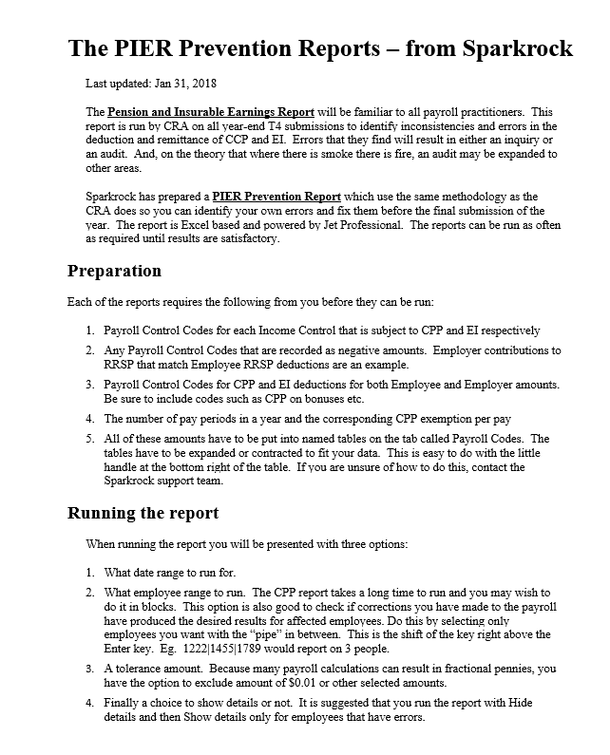

 | 5 | Note that CPP and EI maximums in the Options box persist so you will only have to enter them once per year.

